1. Title Page
New York City Airbnb Rentals Data Analysis

Project Name: New York City Airbnb Rentals Data Analysis
Date: 07/23/2021
Data Citation: "New York City Airbnb Open Data Set 2019", Accessed from https://www.kaggle.com/dgomonov/new-york-city-airbnb-open-data
Analyst Name: April Wiley

Contents:
Consistency checks
Wrangling steps
Column derivations
Visualizations
Recommendations

2. Consistency checks
Consistency checks

Dataset | Missing values | Missing values treatment | Duplicates
AB_NYC_2019 | price | Replaced with median | None
AB_NYC_2019 | minimum_nights | Replaced with median
AB_NYC_2019 | last_review | Replaced with most common date
AB_NYC_2019 | reviews_per_month | Replaced with mean

3. Wrangling steps
Wrangling steps

Columns dropped | Columns renamed | Columns' type changed | Comment/Reason
Name |  |  | Privacy/Security concerns
Host_name |  |  | Privacy/Security concerns
 |  | id | Converted to string
 |  | host_id | Converted to string
 | neighbourhood_group |  | Renamed to Borough to avoid ambiguity
 | neighbourhood |  | Renamed to Neighborhood to avoid ambiguity
 | minimun_nights |  | Renamed to Minimum nights for rent to avoid ambiguity
 | calculated_host_listings_count |  | Renamed to Number of listings per host to avoid ambiguity
 | availability_365 |  | Renamed to Availability per year to avoid ambiguity

4. Column derivations
Column derivations and aggregations

Dataset | New column | Column/s it was derived from | Conditions
AB_NYC_2019 | Price Category | Prices

 |  |  |  | Conditions for the new column "Price category" in the df dataframe:
 |  |  |  | If the values in the "Prices" column of the df dataframe are less than 100, then the "Price Category" column is being set equal to the string "Low price."
 |  |  |  | If the values in the "Prices" column of the df dataframe are greater than or equal to 100 and less than 200, then the "Price Category" column is being set equal to the string "Middle price."
 |  |  |  | If the values in the " Prices" column of the df dataframe are greater than or equal to 200, then the "Price Category" column is being set equal to the string "High price."

5. Visualizations
Visualizations

Figure 3
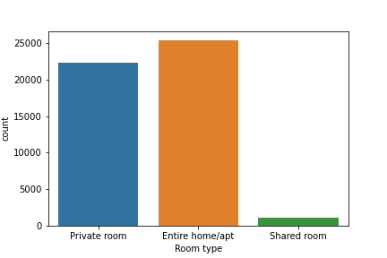
Figure 1
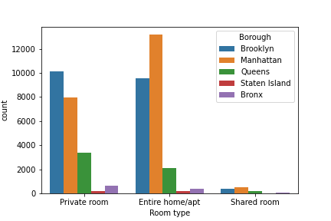
Figure 2

Row Labels | Number of Listings
Allerton | 42
Arden Heights | 4
Arrochar | 21
Arverne | 77
Astoria | 900
Bath Beach | 17
Battery Park City | 70
Bay Ridge | 141
Bay Terrace | 6
Bay Terrace, Staten Island | 2
Baychester | 7
Bayside | 39
Bayswater | 17
Bedford-Stuyvesant | 3714
Belle Harbor | 8
Bellerose | 14
Belmont | 24
This visualization shows the number of listings available for each room type.
This visualization shows the number of listings available for each room type by borough.
Bensonhurst | 75
Bergen Beach | 10
Boerum Hill | 177
Borough Park | 136
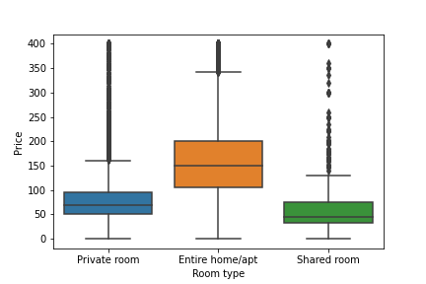
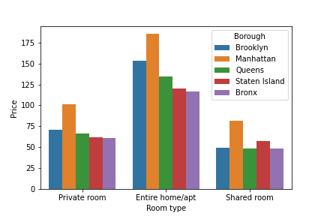
Breezy Point | 3
Figure 4
Figure 5
Briarwood | 56
Brighton Beach | 75
Bronxdale | 19
Brooklyn Heights | 154
Brownsville | 61
Bull's Head | 6
Bushwick | 2465
Cambria Heights | 26
Canarsie | 147
Carroll Gardens | 233
Castle Hill | 9
Castleton Corners | 4
Chelsea | 1113
Chinatown | 368
City Island | 18
Civic Center | 52
Claremont Village | 28
Clason Point | 21
Clifton | 15
Clinton Hill | 572
This visualizations shows the price distribution for each room type.
This visualization shows the distribution of prices for each room type by Borough.
Cobble Hill | 99
College Point | 19
Columbia St | 42
Concord | 26
Concourse | 50
Concourse Village | 32
Coney Island | 17
Co-op City | 2
Corona | 64
Crown Heights | 1564
Cypress Hills | 135
Ditmars Steinway | 309
Dongan Hills | 7
Douglaston | 8
Downtown Brooklyn | 83
DUMBO | 36
Dyker Heights | 12
East Elmhurst | 185
East Flatbush | 500
East Harlem | 1117
East Morrisania | 10
East New York | 218
East Village | 1853
Eastchester | 13
Edenwald | 13
Edgemere | 11
Elmhurst | 237
Eltingville | 3
Emerson Hill | 5
Far Rockaway | 29
Fieldston | 12
Financial District | 744
Flatbush | 621
Flatiron District | 80
Flatlands | 83
Flushing | 426
Fordham | 63
Forest Hills | 144
Fort Greene | 489
Fort Hamilton | 55
Fort Wadsworth | 1
Fresh Meadows | 32
Glendale | 54
Gowanus | 247
Gramercy | 338
Graniteville | 3
Grant City | 6
Gravesend | 68
Great Kills | 10
Greenpoint | 1115
Greenwich Village | 392
Grymes Hill | 7
Harlem | 2658
Hell's Kitchen | 1958
Highbridge | 27
Hollis | 14
Holliswood | 4
Howard Beach | 20
Howland Hook | 2
Huguenot | 3
Hunts Point | 18
Inwood | 252
Jackson Heights | 186
Jamaica | 231
Jamaica Estates | 19
Jamaica Hills | 8
Kensington | 175
Kew Gardens | 32
Kew Gardens Hills | 26
Kingsbridge | 70
Kips Bay | 470
Laurelton | 18
Lighthouse Hill | 2
Little Italy | 121
Little Neck | 5
Long Island City | 537
Longwood | 62
Lower East Side | 911
Manhattan Beach | 8
Marble Hill | 12
Mariners Harbor | 8
Maspeth | 110
Melrose | 10
Middle Village | 31
Midland Beach | 6
Midtown | 1545
Midwood | 109
Mill Basin | 4
Morningside Heights | 346
Morris Heights | 17
Morris Park | 15
Morrisania | 18
Mott Haven | 60
Mount Eden | 6
Mount Hope | 20
Murray Hill | 485
Navy Yard | 14
Neponsit | 3
New Brighton | 5
New Dorp | 1
New Dorp Beach | 5
New Springville | 8
NoHo | 78
Nolita | 253
North Riverdale | 10
Norwood | 31
Oakwood | 5
Olinville | 4
Ozone Park | 62
Park Slope | 506
Parkchester | 39
Pelham Bay | 17
Pelham Gardens | 28
Port Morris | 46
Port Richmond | 9
Prince's Bay | 4
Prospect Heights | 357
Prospect-Lefferts Gardens | 535
Queens Village | 60
Randall Manor | 19
Red Hook | 79
Rego Park | 106
Richmond Hill | 94
Richmondtown | 1
Ridgewood | 423
Riverdale | 11
Rockaway Beach | 56
Roosevelt Island | 77
Rosebank | 7
Rosedale | 59
Rossville | 1
Schuylerville | 13
Sea Gate | 7
Sheepshead Bay | 164
Shore Acres | 7
Silver Lake | 2
SoHo | 358
Soundview | 15
South Beach | 8
South Ozone Park | 40
South Slope | 284
Springfield Gardens | 85
Spuyten Duyvil | 4
St. Albans | 76
St. George | 48
Stapleton | 27
Stuyvesant Town | 37
Sunnyside | 363
Sunset Park | 390
Theater District | 288
Throgs Neck | 24
Todt Hill | 4
Tompkinsville | 42
Tottenville | 7
Tremont | 11
Tribeca | 177
Two Bridges | 72
Unionport | 7
University Heights | 21
Upper East Side | 1798
Upper West Side | 1971
Van Nest | 11
Vinegar Hill | 34
Wakefield | 50
Washington Heights | 899
West Brighton | 18
West Farms | 2
West Village | 768
Westchester Square | 10
Westerleigh | 2
Whitestone | 11
Williamsbridge | 40
Williamsburg | 3920
Willowbrook | 1
Windsor Terrace | 157
Woodhaven | 88
Woodlawn | 11
Woodrow | 1
Woodside | 235
Grand Total | 48895

This visualization shows the number of listing in each neighborhood.

6. Recommendations
Recommendations

Question | Answer
1. Which neighborhoods have rentals? | There are hundreds of neighborhoods in New York City which have Airbnb rentals. For the full list, please see Figure 3 in the visualizations worksheet.
2. What room types are available for rent? | The room types available for rent are entire house/apt, private room, and shared room. See Figure 1 for additional information.
3. How does room type availability vary by location? | The entire home/apt room type is most popular in Manhattan. In Brooklyn, it's the private room. Please see Figure 2 for the complete breakdown of room types by Borough.
4. What is the distribution of prices among the different room types? | The entire home/apt room type is the most expensive, followed by the private room, and finally the shared room. See Figure 4 in the visualization worksheet.
5. What is the average price of rentals for each borough? | Entire homes/apts rent from $120 to $185. Private rooms rent from $60 to $100. Shared rooms rent from $50 to $80. See Figure 5 in the visualizations worksheet.

Recommendations:
The most popular room type is the entire home/apt. The least popular is the shared room. This can vary by location. Consider the location of the rental when determining the number of listings to offer.
Rentals are more numerous in Manhattan and Brooklyn. They also have the most expensive rentals. Be sure to align the prices of rentals similar to others in the areas to avoid being overpriced or underpriced.

Limitations:
No data on customer stay duration.
No review score for each listing.
No information about the number of restaurants/tourist attractions nearby.

Next Steps:
Gather more data points for these variables.
Analyze the impact of the additional variables on the price of the rentals.

